Cover
Single-Family Insurance Survey for Affordable Housing Developers
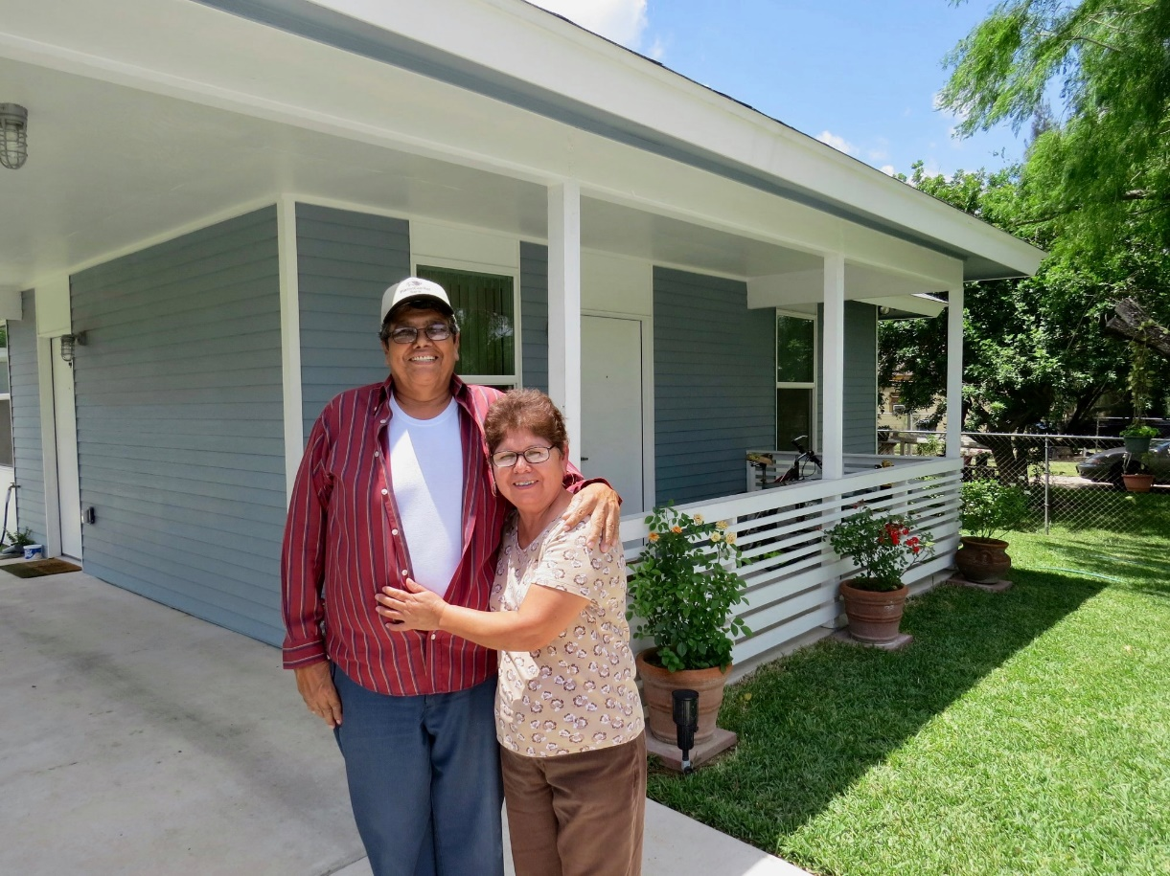

[Please enter the name of your organization here]
[Please enter the service area of your organization here]
SUBMITTED BY: [Your Name, Role in your Organization]

To better assess the current landscape and advocate for solutions, we have crafted a survey tailored to gather crucial data on property insurance. This survey aims to delve into the specifics of your insurance coverage, costs, and the impact these expenses have had on your operations.

Please re-name file with your organizations name, and email back to cdcbgrants@cdcb.org

